How to Use
How to Use the tool

1. Start the assessment by selecting the main field of operation of your company on the "Start" page. Companies should choose the field of operation depending on what suits their business models best. Depending on the field of operation, the materiality for certain measures can differ greatly. While asset managers will have to put their main focus on reducing operational emissions, developers have to reduce the amount of embodied carbon emitted in their projects. Many companies will have different fields of operation, however it is important to choose the largest field of operation. After filling out the table for one field of operation, it is also possible to go back to the starting page and choose a different field of operation without having to fill out everything again.

2. Press the "Start" Button to go to the first assessment step:

3. On the left side of each of the 5 steps, indivdual measures or characteristics assigned to the step are listed (grey background)

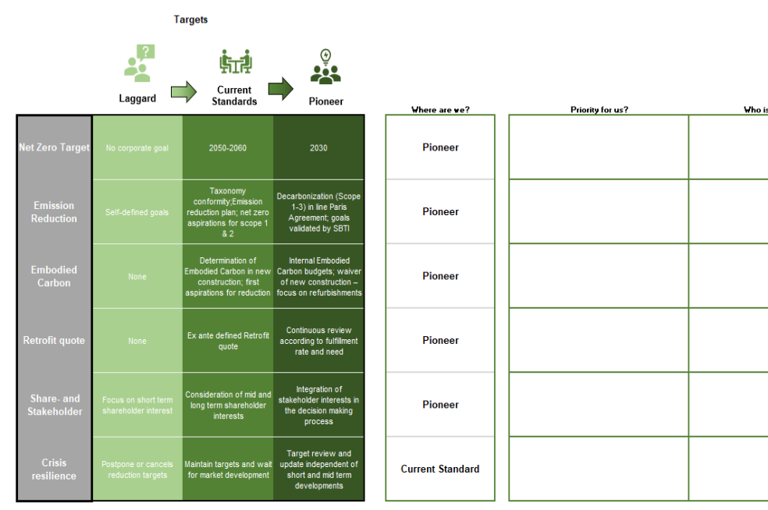

For each measure, three degrees of fulfillment are defined: laggard (lowest progress), intermediate, and pioneer (highest progress). These stages of progress were determined by analyzing the publications of companies announcing a net-zero carbon target and interviews with experts of leading real estate companies globally. A more detailed description of the measures can be found in the publication "Green Governance - A Holistic Approach to Developing Feasible and Successful Net Zero Commitments in the Real Estate Industry."

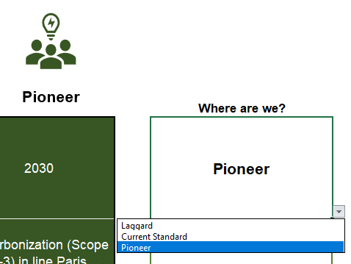
Choose the degree that best fits your company in the field "Where are we?" The current standard in this case is the stage of progress that we determined to be most frequently implemented in companies committing to net-zero emissions. Pioneers, on the other hand, represent the leading implementation progress. Eventually, to successfully achieve their targets, market participants will have to reach the pioneer progress stage in most measures. Laggard progress, on the other hand, puts the company at greater risk of failing their target. The progress stages are dynamic, and it can be expected that some of the current standard positions will be considered laggard progress in the future.

4. (OPTIONAL): Fill out the additionally provided fields, to track progress and determine responsibilities:

5. After filling out the degree of fullfillment (and the text fields) for all measures listed in the step, click on the button on the bottom right of the sheet to go to the next step:

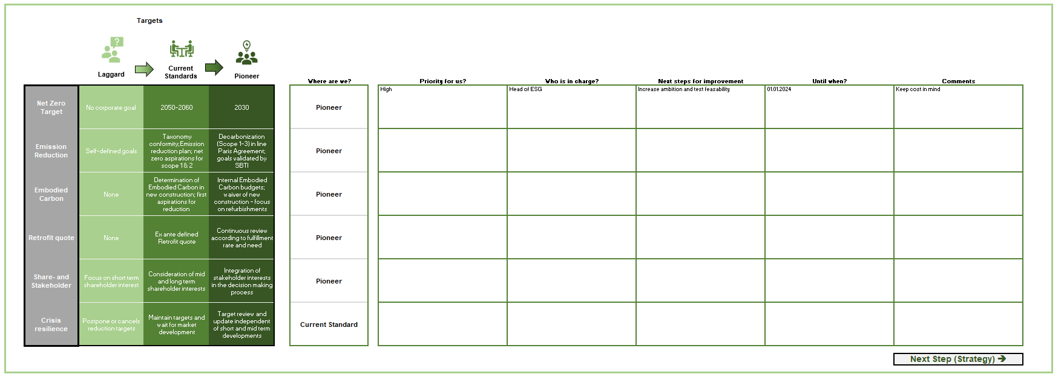

6. Continue filling out all the steps until reaching the result page

7. After seeing your results, click on the Button "Click to print Results!" to automatically create a pdf, summarizing your results and comments:

Final: Use the assessment results as discussion basis to tackle the identified action gaps and increase the feasability of your Net Zero Commitment

 | Go to Start

The weighting system

Each class of operation is matched with individual weights for all measures. Measures that are very important to one field of operation are weighted with 5, measures that are important but not fundamental are weighted with 3, and measures with little importance are weighted with 1. These weights are then multiplied by the stage of progress of the user (laggard = 1, current standard = 2, pioneer = 3). Finally, the average is calculated to get the overall progress of the implementation step. The weighting was derived from the insights gathered during the interviews and the analysis of multiple reports. A more detailed overview of the insights can be found in the publication "Green Governance - A Holistic Approach to Developing Feasible and Successful Net Zero Commitments in the Real Estate Industry."

If users want to adjust the weighting to fit their own perception of importance, the weights can be easily customized and just have to be hard-coded into the tables. To do this, the hidden columns have to be extended, and the adjustments typed into the corresponding cells.

 | Go to Start

Targets
Targets
Laggard
Current Standards
Pioneer
 |  |  |  | Where are we? | Priority for us? | Who is in charge? | Next steps for improvement | Until when? | Comments
Net Zero Target | No corporate goal | 2050-2060 | 2030 | Current Standard | Medium | Head of ESG | Increase ambition and test feasability | 2024-01-01 | Keep cost in mind
Status Quo Analysis | No analysis of current operations before commiting to Net Zero emissions | Basic analysis of current emissions of building stock/ projects | In-depth analysis of business model and decarbonization potential in operations | Current Standard
Target Validation | Targets are not validated | Targets in line with Net Zero initiatives and linked to corresponding pledge | Targets validated by third party (e.g. SBti) and in line with climate science (e.g. CRREM) | Current Standard | Medium
Interim Targets | No Interim targets | Short term target and long term targets | Mulitple interim targets with pre defined milestones for several time scopes | Current Standard | Medium
Sector Targets | No Sector Targets | Targets broken down for business units | Detailed break down of (Interim) targets for business units, departments and regions) | Current Standard | Medium
Emission Reduction Scope | Self-defined goals | Taxonomy conformity;Net Zero aspirations for scope 1 & 2 | Whole building decarbonization (Scope 1-3) for operational emissions in line Paris Agreement | Current Standard | Medium
Greenhouse Gases | Only focus on CO2 | Define target including all greenhouse gases | Define specific targets for major GHGs (including e.g. F-gases) | Current Standard | Medium
Action Plan | No reduction plan in place | Reduction plan developed using official guidelines (e.g. Green Governance) | Extensive action plan as part of target setting created | Pioneer | Medium
Embodied Carbon | None | Determination of Embodied Carbon in new construction and refurbishments; first aspirations for reduction | Internal Embodied Carbon budgets; waiver of new construction – focus on refurbishments | Laggard | Low
Energetic Retrofit Quote | None | Ex ante defined Retrofit quote | Continuous review according to fulfillment rate and need | Pioneer
Share- and Stakeholder | Focus on short term shareholder interest | Consideration of mid and long term shareholder interests | Integration of stakeholder interests in the decision making process | Pioneer
Crisis resilience | Postpone or cancels reduction targets | Maintain targets and wait for market development | Target review and update independent of short and mid term developments | Current Standard

 |  |  |  |  |  |  |  |  | Next Step (Strategy) è

Score Setting Targets:

1.02

Strategy
Strategies
Laggard
Current Standards
Pioneer
 |  |  |  | Where are we? | Priority for us? | Who is in charge? | Next steps for improvement | Until when? | Comments
Business Case | Check viability of the business model in a net-zero economy | Adjustment of business processes to improve the viability | Development of new business segments in accordance to ESG targets | Current Standard | Medium
Responsibility of strategy building | Marketing and Public Relations | ESG-Team | ESG-Team in collaboration with executive management | Current Standard
Responsibility of Strategy Implementation | No clear responsibility | ESG-Team | ESG-Team in collaboration with executive management and realized by all employees | Current Standard
Scope | Individual Subdivisions | Scope 1 and 2 of core business | Holistic approach for the company, Scope 1-3 | Laggard
Support | No support taken | Orientation on existing frameworks and initiatives, exchange with market participants | Cooperation with specialists/ experts to develop a tailormade strategy | Pioneer
Abatement vs. Offsetting | Fully reliant on Offsets | Focus on Abatement, but Offset significant part of strategy | Only abatement, offsetting not part of the strategy | Pioneer
Mitigation Hierarchy | No materiality check, random execution | Prioritization according to importance | Extensively elaborated mitigation hirachie and ongoing review | Pioneer
Timeframe | None | Long-term | Long-term and additional short-term strategies for action requirements | Current Standard

 |  |  |  |  |  |  |  | Next Step (Organizational Structure) è

Score Setting Strategies

2.25

Organizational Structure
Organizational Structure
Laggard
Current Standards
Pioneer
 |  |  |  | Where are we? | Priority for us? | Who is in charge? | Next steps for improvement | Until when? | Comments
Who Is Involved? | Individual employees | ESG Team | Development of new business segments in accordance to ESG targets | Current Standard
Leadership | No clear leadership | ESG-Team | ESG-Team in collaboration with executive management | Pioneer
Use of Tools | No ESG tools in use | Use of market standard tools e.g. CRREM | Development of individual tools suitable for the needs of the company | Laggard
Corporate Culture | No ESG guidelines | Little ESG implementation | Firmly anchored in the corporate culture | Laggard
Willingness to Innovate | Limitation to conventional processes | Open to innovative ideas but slow implementation | Innovation is actively promoted and implemented within the company | Current Standard

 |  |  |  |  |  |  |  | Next Step (Operational Measures) è

Score Organizational Structure:

1.87

Operational Measures
 |  |  |  |  |  | Operational Measures
Laggard
Current Standards
Pioneer
Weighting
Developer | Asset Manager/ Fund Manager | Asset Owner | Facility Manager/ Property Manager | Financier | Transaction |  |  |  |  | Where are we? | Priority for us? | Who is in charge? | Next steps for improvement | Until when? | Comments
5.00 | 5.00 | 5.00 | 1.00 | 5.00 | 5.00 | Financial Incentives | None | ESG Team incentivzation aligned with Net Zero strategy | Employee (including executives) targets aligned with ESG strategy. If achieved leading to bonus payment | Current Standard
5.00 | 5.00 | 3.00 | 5.00 | 3.00 | 3.00 | Employee Support | Little to none | Implementation of company ESG guide for employees | Detailed guide with milestones broken down for every asset in the portfolio | Pioneer
5.00 | 5.00 | 5.00 | 5.00 | 5.00 | 5.00 | Training | No ESG training | Voluntary training for some employees | Compulsory ESG training for every new employees and decision makers (incl. Executive Management) | Laggard
5.00 | 5.00 | 3.00 | 3.00 | 5.00 | 1.00 | Internal CO2-Pricing | None | None or low carbon price without consequences | Ambitious internal CO2 price paid into company-owned GHG reduction fund | Laggard
1.00 | 1.00 | 5.00 | 1.00 | 5.00 | 5.00 | ESG Due Diligence (DD) | No integration into transaction process | Partly integrated in DD | Extensive ESG DD, essential part of transaction process | Laggard
5.00 | 3.00 | 1.00 | 3.00 | 1.00 | 3.00 | LCA-Assessment | No support taken | Orientation on existing frameworks and initiatives, exchange with market participants | Cooperation with partners to develop a tailormade strategy | Laggard
5.00 | 3.00 | 1.00 | 5.00 | 1.00 | 3.00 | Supply Chain | Chosen solely by lowest price | Question supply chain for ESG performance | Review of supply chain and active creation of demand for sustainable products | Laggard
5.00 | 5.00 | 5.00 | 3.00 | 5.00 | 3.00 | Carbon Footprint | No efforts to capture | Start to Calculate a carbon footprint | Calculate a robust carbon footprint of your portfolio | Current Standard
5.00 | 5.00 | 3.00 | 3.00 | 3.00 | 3.00 | Fossil Fuels | High dependency of onsite fossil fuels | Use less than 70% onsite fossil fuels | No dependency on onsite fossil fuels and Ensure majority is off-site energy or procured from renewable-backed sources, where available | Current Standard
5.00 | 5.00 | 3.00 | 3.00 | 3.00 | 3.00 | Renewable Energy | No/Little use of renewable energy | Partly using PV, wind or other renewable energy sources at the majority of locations | Full potential of on- and offsite renewable energy usage is identified and used - availability of renewable enrgy is a purchase criterion | Laggard
1.00 | 5.00 | 1.00 | 1.00 | 3.00 | 3.00 | Green Leases | No aspirations | Active proposal, but no targets | Priorities tenants prepared to sign Green Leases and ambitious targets (e.g. 90% Green leases) | Laggard
3.00 | 3.00 | 5.00 | 1.00 | 5.00 | 5.00 | Green Finance | Only use of normal financing products | Sporadic demand for sustainable financial products | Predominant demand for sustainable financial products | Current Standard
50 | 50 | 40 | 34 | 44 | 42
 |  |  |  |  |  |  |  |  |  |  |  |  |  | Next Step (Tracking & Reporting) è

 |  |  |  |  |  | Score Operational Measures:

 |  |  |  |  |  | 1.36

Tracking&Reporting
Tracking Reporting
Laggard
Current Standards
Pioneer
 |  |  |  | Where are we? | Priority for us? | Who is in charge? | Next steps for improvement | Until when? | Comments
Standardization | No reporting or data collection standard applied | Minimum standards aligned with regulation | Detailed reporting and monitoring system supported by a publicly recognized standard (e.g. EPRA sBPR) | Current Standard
Data Collection | Emission data is collected centralized by the ESG team | Analog internal collection by the employees | Automized collection of relevant date via smart meters and digital data collection platform, collection of certified data | Pioneer
Data Analysis and Reporting | Superficial data analysis – no public reporting | Systemized analysis done by ESG department, reporting yearly to C level, partly public disclosure of results | Systemized analysis done by ESG department, reporting quarterly to C level, full public disclosure of results | Current Standard
ESG KPI’s | No scope | Scope 1 and 2 | Analysis of Scope 1-3 | Laggard
Benchmarking | No benchmarking taking place | Benchmarking taking place, but not standardized and disclosed | Benchmarking against the individual peer group (with GRESB e.g.) | Current Standard
Transparency | Transparency not secured, no standardized procedure | Internally secured transparency – procedure standardized, partly public disclosure | Full internal and external transparency, honest communication of mistakes and shortcomings | Laggard
Embodied Carbon | None | New construction | New construction + Retrofits | Current Standard

 |  |  |  |  |  |  |  |  | See Results è

Score Tracking & Reporting:

1.86

Results
Assessment Results

 | Stage | Score | Stage with highest progress:
 | Targets | 1.02 | Strategy
 | Strategy | 2.25
 | Organizational Structure | 1.87
 | Operational Measures | 1.36 | Stage with lowest progress:
 | Tracking & Reporting | 1.86 | Targets
 | Overall | 1.67

Laggard
Current Standard
Pioneer
2 | 3 | 1.67

 |  |  |  | 2024-04-25

